Sheet1
 |  | Document No. | Issue No. | Issue Date |  | Review and Replace Date |  |  | Authorised By
 |  | GFF541MC | 1 | 22.09.2025 |  | New Document |  |  | Magda Shah
 |  | Document Title | 8 Chilli Beef Empanadas 160g
Document amendments reason for change |  | New Document |  |  | Page 1 of 1 | Previous Issue Date | New Document |  | Uncontrolled copy unless signed original

CBEMPB-R1TEB | BOOTHS - XMAS |  | 8 Chilli Beef Empanadas 160g
STEP 1 |  |  |  |  | STEP 2
 |  |  |  |  | 

Tray: SK4-Plain Clear (PKESS001-07) |  |  |  |  | 8 Chilli Beef Empanadas-(GFF550R)- 20g
Film: AF Weld Film (300mmX1000lm) -PKKMP001-07
STEP 3
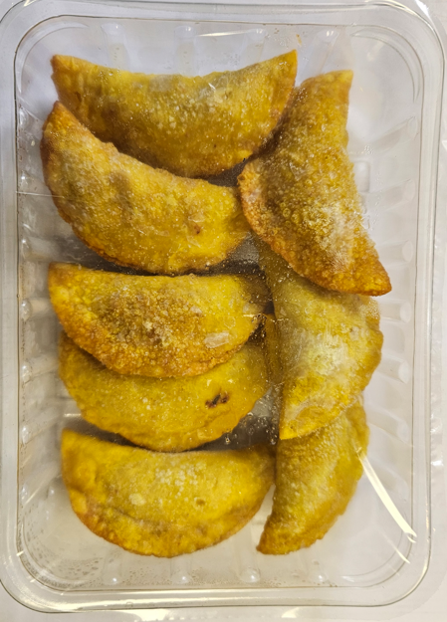

8 Chilli Beef Empanadas |  |  |  |  |  |  |  | TOTAL WEIGHT: 160g

ALLERGY ALERT: SOYA , WHEAT

